1. Title Page
[Project Name]

Project Name: Instacart Grocery Basket Analysis
Date: 27.06.2024
Analyst Name: Katarzyna Szeszula

Contents:
Population Flow
Consistency checks
Wrangling steps
Column derivations
Visualizations
Recommendations

2. Population Flow
Title page

Population flow

Exclusion flag
Condition: max_order < 5
Obervations to be removed: low-activity customers with => orders
Final total count of order_products_all: 32.404.859

Orders_products_combined
Orders_products_merged
Orders_products_all

Total: 32.404.859
Total: 32.434.489
Total: 32.404.859

1.) The grey boxes in the first row of the population flow represent the original data sets as they were when you downloaded them. In the Total fields you need to add the count of the rows when you imported the data set into Jupyter.
2.) The second row of boxes (coloured) represents the data sets after you manipulated them, e.g., removed missing values and duplicates. In the Total fields you need to add the count of the rows after conducting these operations. This offers a visual oveview of how the data flows throughout the data consistency checks.
3.) The third row, where also the arrows are coloured, represents the merges you performed between the datasets. In the Total fields you need to add the count of the rows in the merged datasets, so that you end up with the final dataset (in the red box). Keep in mind the final dataset should be without exclusions (based on the exclusion flag).

3. Consistency checks
 |  |  |  | Title page
Consistency checks

Dataset | Missing values | Missing values treatment | Duplicates
orders | days_since_prior_order - 206209 | no action | no duplicates
products | product_name - 16 | droppped missing values by overwriting the dataframe | 5 duplicates
orders_products_prior | none | n/a | none
customers | none | n/a | none

4. Wrangling steps
 |  |  |  | Title page
Wrangling steps

CB6:E35olumns dropped | Columns renamed | Columns' type changed | Comment/Reason
eval_set |  |  | no value info for the analysis
 | orders_dow -> orders_day_of_week |  | changed the name in order to make more readable for other stakeholders
 |  | order_id | order_id data type changed to string so that describe() function will ignore it when calculating descriptive statistics
 | user_id -> customer_id |  | changed the name in order to make more readable for other stakeholders
 |  | user_id | user_id data type changed to string so that describe() function will ignore it when calculating descriptive statistics
First Name |  |  | not needed for the analysis
Surnam |  |  | not needed for the analysis
 | Gender -> gender |  | changed the name in order to make more readable for other stakeholders
 | STATE -> state |  | changed the name in order to make more readable for other stakeholders
 | Age -> age |  | changed the name in order to make more readable for other stakeholders
 | n_dependants -> children |  | changed the name in order to make more readable for other stakeholders

 | Female -> f |  | changed in order to lower the size of data
 | Male -> m |  | changed in order to lower the size of data
 | married -> m |  | changed in order to lower the size of data
 | single -> s |  | changed in order to lower the size of data

 |  | user_id : int32 | changed in order to lower the size of data
 |  | age : int32 | changed in order to lower the size of data
 |  | children : 'nt32 | changed in order to lower the size of data
 |  | income : int32 | changed in order to lower the size of data

aisle_id |  |  | no value info for the analysis
add_to_cart_order |  |  | no value info for the analysis
reordered |  |  | no value info for the analysis
 |  | product_id : int32 | changed in order to lower the size of data
 |  | department_id: int32 | changed in order to lower the size of data
 |  | prices:float32 | changed in order to lower the size of data
 |  | order_id : int32 | changed in order to lower the size of data
 |  | user_id : int32 | changed in order to lower the size of data
 |  | order_number : int32 | changed in order to lower the size of data
 |  | orders_day_of_week: int32 | changed in order to lower the size of data
 |  | order_hour_of_day: int32 | changed in order to lower the size of data
 |  | days_since_prior_order : float32 | changed in order to lower the size of data
 |  | max_order : int32 | changed in order to lower the size of data
 |  | average_price: float32 | changed in order to lower the size of data
 |  | frequent_customer : float32 | changed in order to lower the size of data

5. Column derivations
 |  |  |  |  |  | Title page

Column derivations and aggregations

In this tab you should add tables below that the frequences of flags/label variables that you produced after deriving them. NB: don't do this for continuous variables, only for flags.
Dataset | New column | Column/s it was derived from | Conditions
df_ords_prods_merge | busiest_day | orders_day_of_week | Busiest days (11,862,627): if value in [0, 1] Slowest days (7,623,037): elif value in [3, 4] Regularly busy (12,914,068): else (value in [2, 5, 6])
df_ords_prods_merge | _merge
df_ords_prods_merge | price_range | prices | Low-range: <= $2.5 Mid_low-range: > $2.5 and <= $5 Mid-range: > $5 and<= $7.5 Mid_high-range: > $7.5 and <= $12.5 High-range: >= $12.5 | price_range | busiest_day | busiest_period_of_day | exclusion_flag
df_ords_prods_merge | busiest_period_of_day | order_hour_of_day | Most orders (21,114,733): if value in [10, 11, 14, 15, 13, 12, 16, 9] Average orders (9,996,048): elif value in [17, 8, 18, 19, 20, 7, 21, 22] Fewest orders (1,288,951): else (value in [23, 6, 0, 1, 5, 2, 4, 3]) | Mid-range product 652638 | Regularly busy 22416875 | Most orders 21118071 | exclusion_flag
df_ords_prods_merge | max_order | order_number |  | Low-range product 338018 | Busiest day 6204182 | Average orders 9997651 | Include 30964564
df_ords_prods_merge | loyalty_flag | max_order | Loyal customer (10,282,763): "max_order" > 40 Regular customer (15,874,128): 10 < "max_order" <= 40 New customer (6,242,841): "max_order" <= 10 | High range 9344 | Least busy 3783802 | Fewest orders 1289137 | Exclude 1440295
df_ords_prods_merge | spend_flag | average_price | Low spender (32,280,013): "user_mean_product_price" < 10 High spender (119,719): "user_mean_product_price" >= 10
df_ords_prods_merge | frequent_customer | days_since_prior_order |  | Regular customer 15876776 | Low_spender 31770614 | Frequent Customer 21559853
df_ords_prods_merge | order_frequency_flag | frequent_customer | Frequent customer (21,556,644): "median_days_between_orders" <= 10 Regular customer (7,207,340): 10 < "median_days_between_orders" <= 20 Non-frequent customer (3,635,743): "median_days_between_orders" > 20 nan (5): The result of 5 customers who only ever made 1 purchase and thus had no value in "median_days_between_orders" | Loyal customer 10284093 | High_spender 634245 | Regular customer 7208564
df_merged | exclusion_flag | max_order | low-activity customer => 5 orders |  |  | Name: count, dtype: int64
 |  |  | high-activity customer < 5 orders

6. Visualizations
 |  |  |  | Title page

Visualisations

In this tab you should include all the visualtions from Exercises 4.9 and 4.10, alongside the questions from the project brief that they answer. Include any commentary on the relationship between different variables.

The sales team needs to know what the busiest days of the week and hours of the
day are (i.e., the days and times with the most orders) in order to schedule ads at
times when there are fewer orders


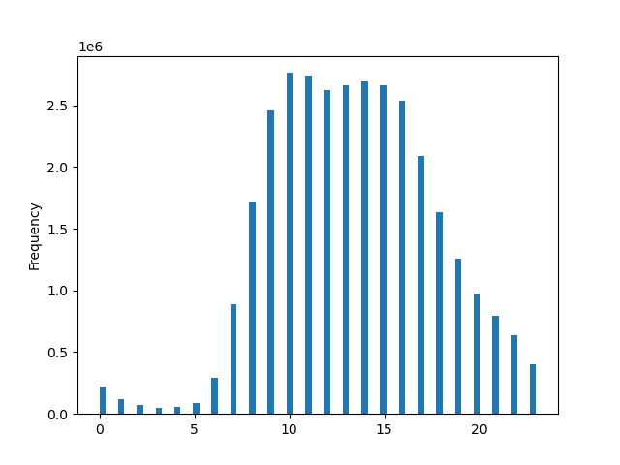

The busiest days of the week are weekend days: Saturday and Sunday. |  |  | The busiest hours of the day are between 9:00 and 16:00, with peak at 10:00.

They also want to know whether there are particular times of the day when people
spend the most money, as this might inform the type of products they advertise at
these times

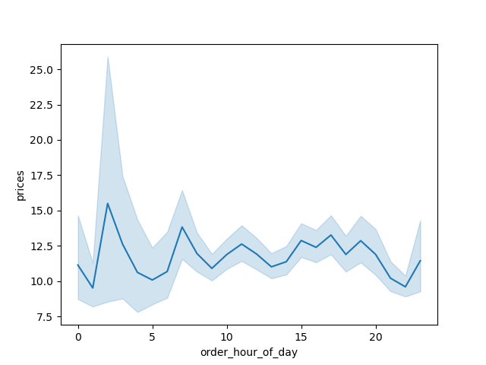

According to data the customers spend more money at night time, between 1 and 5 in the morning.

Are there certain types of products that are more popular than others? The marketing
and sales teams want to know which departments have the highest frequency of
product orders.
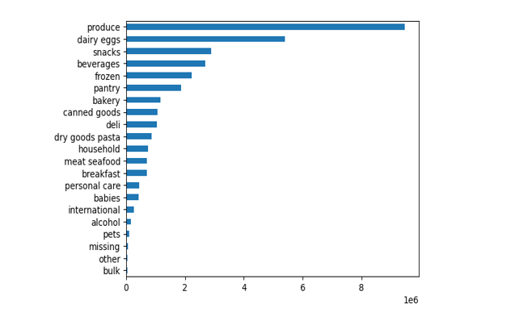

 |  | Department, Counts
 | 1 | produce 3631549
 | 2 | dairy eggs 2070536
 | 3 | snacks 1105797
 | 4 | beverages 1027086
 | 5 | frozen 849358
 | 6 | pantry 712871
 | 7 | bakery 448698
 | 8 | canned goods 404854
 | 9 | deli 401834
 | 10 | dry goods pasta 328615
 | 11 | household 279941
 | 12 | meat seafood 269980
 | 13 | breakfast 268843
 | 14 | personal care 169975
 | 15 | babies 164381
 | 16 | international 103037
 | 17 | alcohol 57625
 | 18 | pets 37270
 | 19 | missing 25888
 | 20 | other 13834
 | 21 | bulk 13412

The most popular products are produce, dairy eggs, snacks, beverages and frozen food.

Are there differences in ordering habits based on a customer’s loyalty status?

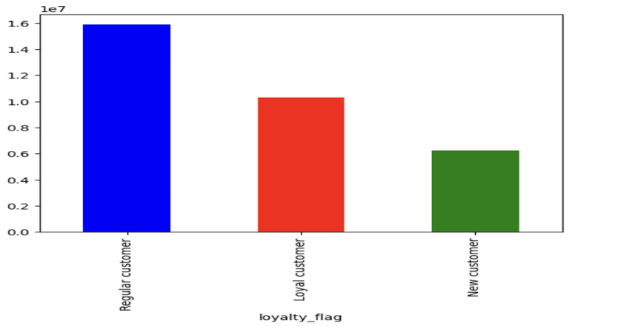
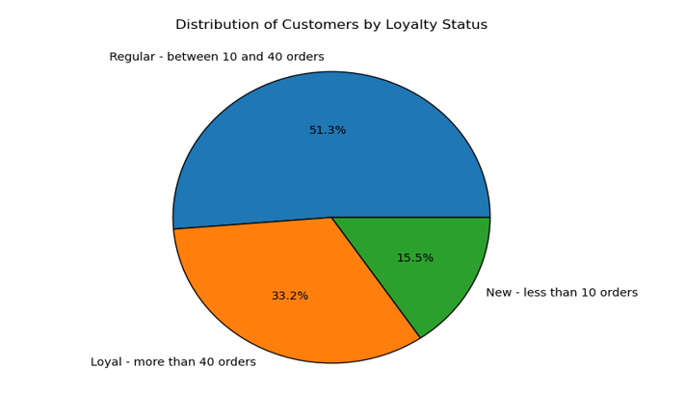

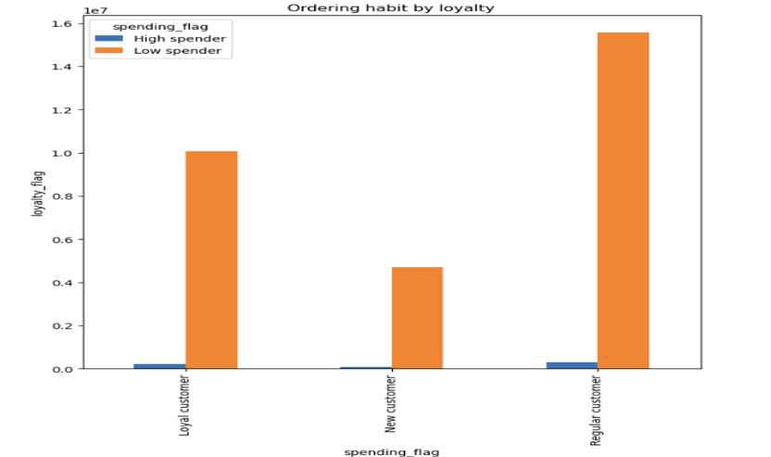

Yes, there are differences. Loyal customers place more than 40 orders, regular customers between 10 and 40 and new onces placed less than 10.

Are there differences in ordering habits based on a customer’s region?

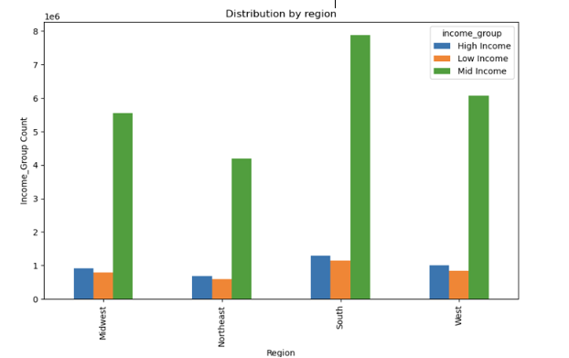
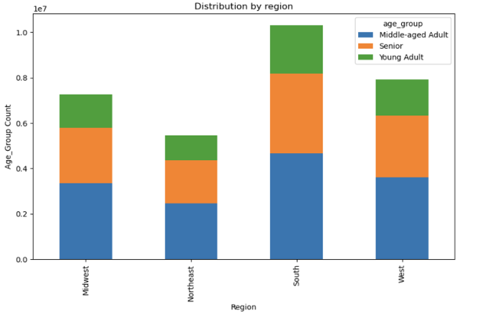
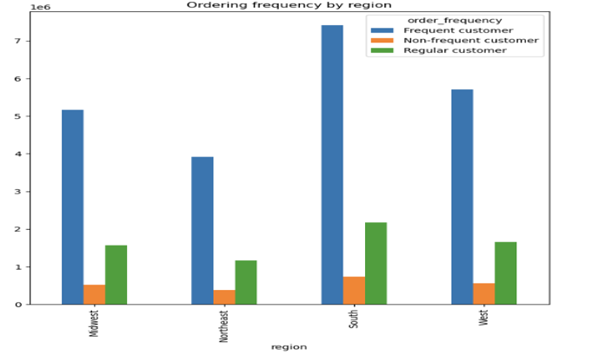

Yes, there are differences. The graphs indicate that the South has the highest customer engagement in terms of frequent ordering, a large proportion of middle-aged and mid-income customers.
The Midwest and West have similar distribution patterns, while the Northeast shows slightly lower counts across all categories.

7. Recommendations
 |  |  | Title page

Recommendations

In this tab you should include any recommendations you would made to Instcart in terms of their marketing strategy based on the questions posed in the brief. Every key question has been covered in the Tasks of the Exercises - here you need to add an item - a visualisation or table/crosstable that is showing the answer in the data, acompanied by a comment from you. Please, list the questions below and add the answer underneath.

Question
Key Question 1
Key Question 2
Key Question 3
Key Question 4
Key Question 5
Key Question 6
Key Question 7

Question | Answer | Recommendation

What days of the week and hours of the day are busiest? | Saturday and Sunday experience the highest traffic, while Wednesday and Tuesday are the quietest. The peak hours fall between 8:00 and 18:00, and the lowest activity occurs between 0:00 and 6:00. | To boost sales, focus on Wednesday and Tuesday. Avoid scheduling ads during sleeping hours; instead, target times just before 8:00 or after 18:00 when people are more likely to see them.

What times of the day people spend the most money? | The time period from 13:00 to 09:00 is slightly more effective than from 09:00 to 13:00. | For pricier products, advertise between 09:00 and 13:00.

Which departments have the highest frequency of product orders? | Top 5: Produce, diary & eggs, snacks, beverages and frozen food. | Boost advertising efforts for categories with lower sales but higher potential for growth: Bulk, Pets, International, Baby Products, and Personal Care

What’s the distribution among users in regards to their brand loyalty? | Regular customers - 51.3 % Loyal customers - 33.2% New customers - 15.5% | Increase Engagement with New Customers (15.5%) Welcome Offers: Provide special discounts or welcome packages to new customers to encourage repeat purchases. Onboarding Emails: Send a series of onboarding emails introducing the company, popular products, and special offers. First-Time Buyer Discounts: Offer a discount on the second purchase to encourage new

Are there differences in ordering habits based on a customer’s loyalty status? | Yes, loyal customers make orders more frequently. | Points-Based Rewards: Customers earn points for each purchase, which can be redeemed for discounts on future orders, free products, or special treats. Tiered Rewards System: Create levels such as Bronze, Silver, and Gold, where customers unlock increasing benefits as they spend more.

Are there differences in ordering habits based on a customer’s region? | All regions have significantly fewer "high spenders" compared to "low spenders." Additionally, some regions have a larger overall customer base than others. | Identify High-Spender Traits: Analyze the characteristics and purchasing behaviors of existing high spenders to create targeted marketing campaigns aimed at converting more low spenders into high spenders. Region-Specific Promotions: Develop region-specific promotions and discounts to encourage higher spending in regions with larger customer bases.

Is there a connection between age in terms of ordering habits? | Considering the distribution of the age groups, there is no significant difference | There is no need to do different advertisements to target the different groups

What differences can you find in preferece for departments for different customer profiles? | The choice of departments follows nearly identical proportions across all groups, with minimal variation. | There is no necessity to create distinct advertisements for targeting various groups.

